Budget Org Chart
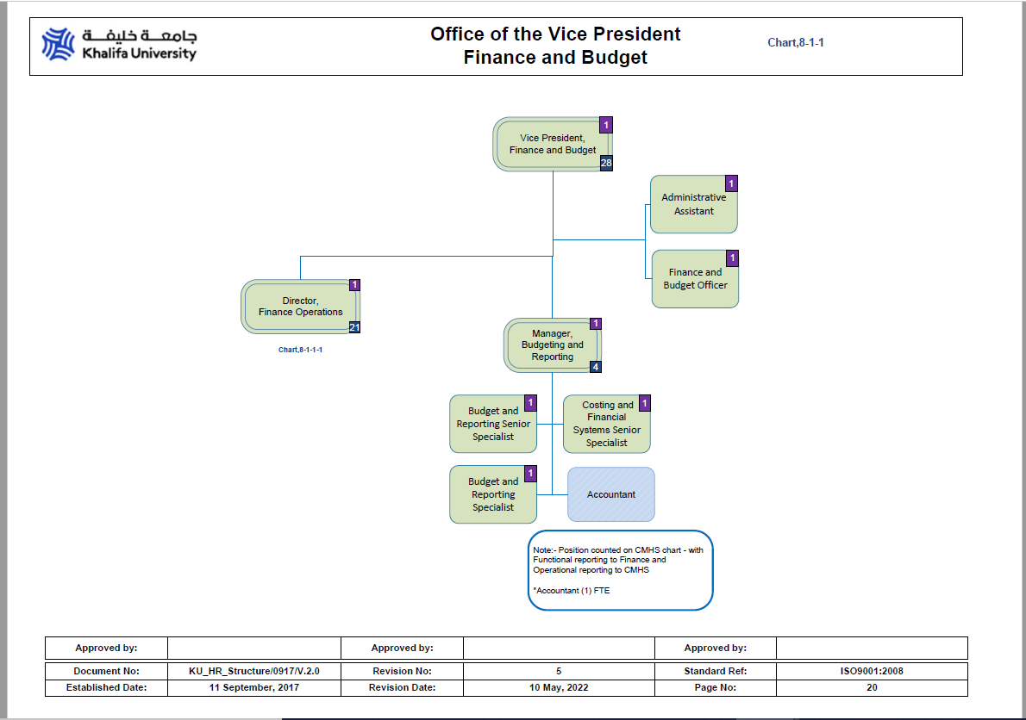

No of positions available as per Organization Chart | No of actual employees available
5 | 5

